Specification Reference
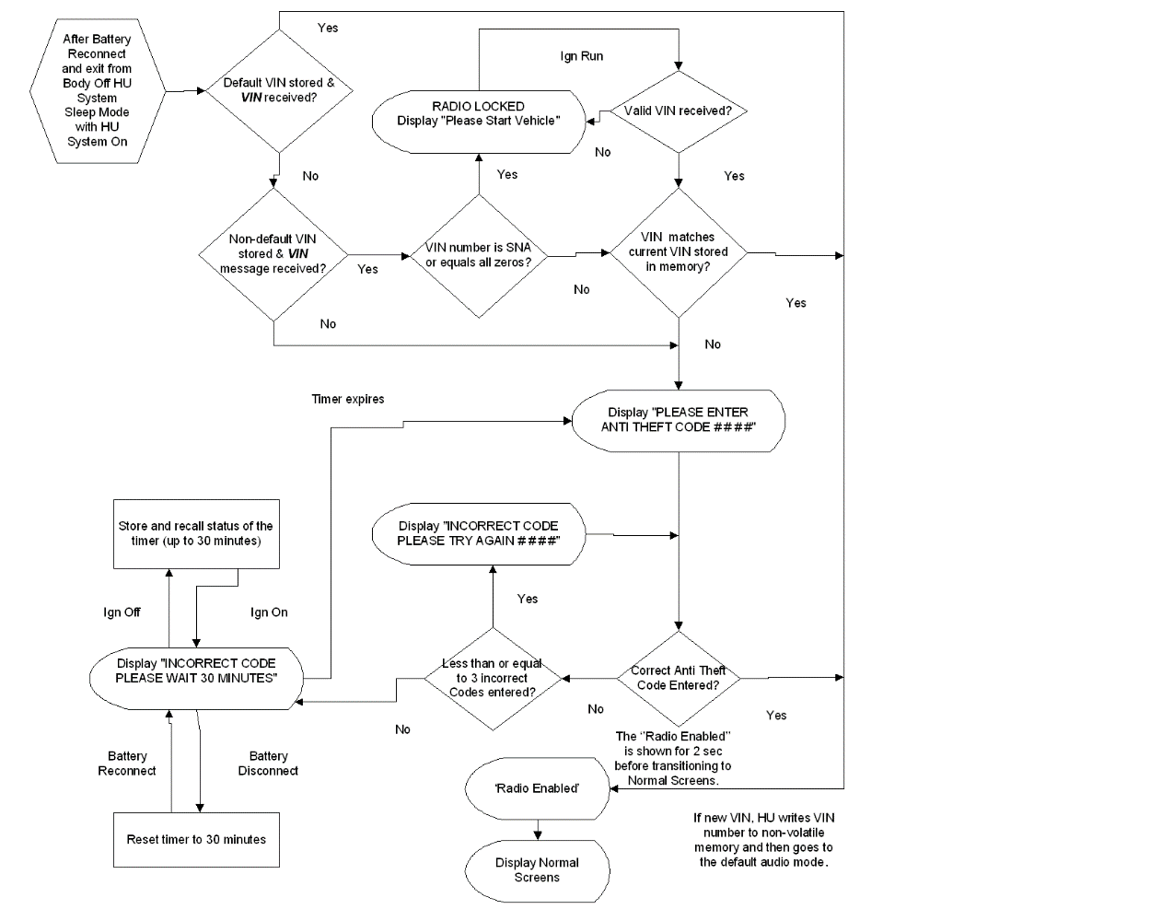

CFTS016

1.3.2 VIN management - Migrated from VF210 Atlantis Architecture {4921282}
1.3.2.1 VIN management {4921283}
1.3.2.2 TLM algorithm requirements {4921284}
 | 4921285: | For below internal signals, refer to VF607 and VF210
 |  | RRM_VinLock.Info
 |  | RRM_VIN_DATA
 |  | RRM_VIN_MSG
 |  | LTM_VinLock.Info
 |  | LTM_VIN_DATA
 |  | LTM_VIN_MSG
 |  | ETM_VinLock.Info
 |  | ETM_VIN_DATA
 |  | ETM_VIN_MSG
 | → | 包括各模組的 VinLock 資訊、VIN_DATA 與 VIN_MSG 等訊號（RRM、LTM、ETM 都有），這些是用於管理/驗證 VIN 相關資料的內部訊號。

 | 4921286: | for below internal signal, refer to CFTS009
 |  | Antitheft_Activation.Req
 | → | 關於 Antitheft_Activation.Req 這個內部訊號，請參考 CFTS009 文件。
 |  | 這個訊號用來觸發防盜功能的啟動。

 | 4921287: | Following requirements are valid in the following "Ignition Working Conditions":
 |  | Ignition_Off,
 |  | Ignition_On,
 |  | Ignition_On_Engine_On
 | 4921288: | AND IF RRM_VinLock.Info == True
 | 4921289: | AND IF LTM_VinLock.Info == True
 | 4921290: | AND IF ETM_VinLock.Info == True
 | → | 必須同時滿足 RRM、LTM、ETM 的 VinLock.Info 訊號都為 True，相關功能才會啟動。

 | 4921292: | This function is disabled IF Ignition working condition == "Ignition_Cranking" OR "Ignition_Pre_Start" OR "Ignition_Start"
 | 4921293: | This function is disabled IF RRM_VinLock.Info == False
 | 4921294: | This function is disabled IF LTM_VinLock.Info == False
 | 4921295: | This function is disabled IF ETM_VinLock.Info == False
 | → | 功能在 Ignition Working Condition 為 "Ignition_Cranking"、"Ignition_Pre_Start" 或 "Ignition_Start" 時會被停用；如果 VinLock.Info 為 False 也會停用。
 |  | 要點火處於 cranking（啟動馬達轉動）、pre-start 或 start 階段，本功能會被停用。
 |  | 如果三個模組的 VinLock.Info 有任一為 False，本功能也會被停用。

 | 4921298: | TLM antitheft functionality starts when Antitheft_Activation.Req passes from "False" to "True".
 | 4921299: | IF Antitheft_Activation.Req passes to "True" value, TLM has to start Response_Wait_Time timeout and to sets itself in a blocked state (see par. "Blocked definition and condition")
 | 4921300: | TLM has also to set initially Antitheft_Result.Info AND $AntiTheftStatus$ to "In_Progress" value.
 | → | Antitheft_Activation.Req 由 False 轉 True 時，TLM 開始防盜功能，啟動 Response_Wait_Time 計時並進入 Blocked 狀態，並將 Antitheft_Result.Info 與 $AntiTheftStatus$ 設為 "In_Progress"。
 |  | 當 Antitheft_Activation.Req 從 False 轉成 True，TLM 要開始防盜機制，並設為「受阻/鎖定（Blocked）」狀態，同時顯示目前正在進行（In_Progress）。
 |  | 這段期間會有一個等待超時時間（Response_Wait_Time）。

 | 4921301: | TLM shall also receive and read RRM_VIN_MSG and RRM_VIN_DATA.
 | 4921302: | In particular, TLM shall receive and evaluate these signals in a proper sequence: it means it has to receive the following:
 |  | - first part of VIN, contained in RRM_VIN_DATA, with RRM_VIN_MSG == "VIN_LO";
 |  | - second part of VIN, contained in RRM_VIN_DATA, with RRM_VIN_MSG == "VIN_MID";
 |  | - third and last part of VIN, contained in RRM_VIN_DATA, with RRM_VIN_MSG == "VIN_HI";
 | 4921303: | TLM shall also receive and read LTM_VIN_MSG and LTM_VIN_DATA.
 | 4921304: | In particular, TLM shall receive and evaluate these signals in a proper sequence: it means it has to receive the following:
 |  | - first part of VIN, contained in LTM_VIN_DATA, with LTM_VIN_MSG == "VIN_LO";
 |  | - second part of VIN, contained in LTM_VIN_DATA, with LTM_VIN_MSG == "VIN_MID";
 |  | - third and last part of VIN, contained in LTM_VIN_DATA, with LTM_VIN_MSG == "VIN_HI";
 | 4921305: | TLM shall also receive and read ETM_VIN_MSG and ETM_VIN_DATA.
 | 4921306: | In particular, TLM shall receive and evaluate these signals in a proper sequence: it means it has to receive the following:
 |  | - first part of VIN, contained in ETM_VIN_DATA, with ETM_VIN_MSG == "VIN_LO";
 |  | - second part of VIN, contained in ETM_VIN_DATA, with ETM_VIN_MSG == "VIN_MID";
 |  | - third and last part of VIN, contained in ETM_VIN_DATA, with ETM_VIN_MSG == "VIN_HI";
 | → | TLM 必須依序收取與判斷三個模組（RRM/LTM/ETM）的 VIN 訊號，每個 VIN 需分三個部分（VIN_LO, VIN_MID, VIN_HI）傳遞與組合。
 |  | TLM 要逐一接收並判斷每個模組傳來的 VIN 資料，每份 VIN 要拆成低（LO）、中（MID）、高（HI）三段依序處理，確保資料完整無誤。這避免資料混亂或遺失。

 | 4921307: | For everyone of these VIN parts, TLM shall check if certain conditions on VIN validity are satisfied.
 | 4921308: | VIN validity requirements are that it is NOT in SNA, its values don't have all zeros, its values don't have all ones, it has the correct number of digits (via multiple CAN-B $VIN$ and $VIN_DATA signals) and each VIN character is the same for 3 consecutive cycles of the complete VIN.
 | → | 每段 VIN 都需進行有效性檢查，判斷條件包括：
 |  | 不可為 SNA（特殊代碼）
 |  | 內容不能全部是 0 或 1
 |  | 必須有正確長度
 |  | 連續三個週期收到的完整 VIN 都需完全一致，才視為有效

 | 4921309: | If the received RRM_VIN_DATA is valid, TLM shall behave differently depending on which VIN is already stored in TLM:
 |  | - the default VIN (refer to VF607)
 |  | - a non-default VIN
 | 4921310: | IF TLM has stored the default VIN (see VF607), then TLM shall consider received whole RRM_VIN_DATA as the new valid VIN and shall store it replacing the default VIN;
 | 4921311: | In this case, IF any problem occurs during RRM_VIN_DATA storing, then TLM shall set Antitheft_Result.Info and $AntiTheftStatus$ to “Not_Successfully” and TLM shall remain in blocked condition (see par. “Blocked definition and condition” for “blocked” meaning) until next transition of Antitheft_Activation.Req from "False" to "True".
 | 4921312: | TLM has to show an error message on its screen, asking the user to restart the vehicle (see TLM HMI Specification).
 | 4921313: | ELSE TLM stores new VIN and sets Antitheft_Result.Info and $AntiTheftStatus$ to “Successfully” and TLM starts its normal working conditions, allowing TLM_Status.Info to pass to the proper value (see VF169 for details) and allowing TLM itself to be operative.
 | → | 如果 TLM 儲存的是預設 VIN，收到新 VIN 就直接取代原本的預設 VIN。
 |  | 如果寫入過程有問題，TLM 需顯示錯誤訊息，並維持 Blocked 狀態直到下次防盜重新啟動（Antitheft_Activation.Req 再度由 False → True）。
 |  | 若寫入正常，則 TLM 進入正常工作狀態，防盜結束，TLM_Status.Info 狀態更新。

 | 4921314: | IF TLM has stored a non-default VIN, i.e. if TLM already stored a Vin different from the default one, then TLM shall compare received RRM_VIN_DATA with the stored one.
 | 4921315: | If stored Vin matches the whole received RRM_VIN_DATA, then TLM shall set Antitheft_Result.Info and $AntiTheftStatus$ to “Successfully” and TLM starts its normal working conditions, allowing TLM_Status.Info to pass to the proper value (see VF169 for details) and allowing TLM itself to be operative.
 | 4921316: | ELSE antitheft functionality ends and TLM remains in blocked condition (see par. “Blocked definition and condition” for “blocked” meaning).
 | 4921317: | TLM has to set Antitheft_Result.Info AND $AntiTheftStatus$ to "Not_Successfully" value AND it sets itself in waiting for a possible MasterCode insertion through signal MasterCode_Setting.Info.
 | → | 如果 TLM 已經儲存的是非預設 VIN，就必須將收到的 VIN 跟已儲存的比對。
 |  | 若完全一致，TLM 結束防盜，進入正常工作狀態。
 |  | 若不一致，TLM 維持 Blocked，Antitheft_Result 設為 Not_Successfully，等待 MasterCode 手動輸入。

 | 4921318: | If the received LTM_VIN_DATA is valid, TLM shall behave differently depending on which VIN is already stored in TLM:
 |  | - the default VIN (refer to VF607)
 |  | - a non-default VIN
 | 4921319: | IF TLM has stored the default VIN (see VF607), then TLM shall consider received whole LTM_VIN_DATA as the new valid VIN and shall store it replacing the default VIN;
 | 4921320: | In this case, IF any problem occurs during LTM_VIN_DATA storing, then TLM shall set Antitheft_Result.Info and $AntiTheftStatus$ to “Not_Successfully” and TLM shall remain in blocked condition (see par. “Blocked definition and condition” for “blocked” meaning) until next transition of Antitheft_Activation.Req from "False" to "True".
 | 4921321: | TLM has to show an error message on its screen, asking the user to restart the vehicle (see TLM HMI Specification).
 | 4921322: | ELSE TLM stores new VIN and sets Antitheft_Result.Info and $AntiTheftStatus$ to “Successfully” and TLM starts its normal working conditions, allowing TLM_Status.Info to pass to the proper value (see VF169 for details) and allowing TLM itself to be operative.
 | 4921323: | IF TLM has stored a non-default VIN, i.e. if TLM already stored a Vin different from the default one, then TLM shall compare received LTM_VIN_DATA with the stored one.
 | 4921324: | If stored Vin matches the whole received LTM_VIN_DATA, then TLM shall set Antitheft_Result.Info and $AntiTheftStatus$ to “Successfully” and TLM starts its normal working conditions, allowing TLM_Status.Info to pass to the proper value (see VF169 for details) and allowing TLM itself to be operative.
 | 4921325: | ELSE antitheft functionality ends and TLM remains in blocked condition (see par. “Blocked definition and condition” for “blocked” meaning).
 | 4921326: | TLM has to set Antitheft_Result.Info AND $AntiTheftStatus$ to "Not_Successfully" value AND it sets itself in waiting for a possible MasterCode insertion through signal MasterCode_Setting.Info.

 | 4921327: | If the received ETM_VIN_DATA is valid, TLM shall behave differently depending on which VIN is already stored in TLM:
 |  | - the default VIN (refer to VF607)
 |  | - a non-default VIN
 | 4921328: | IF TLM has stored the default VIN (see VF607), then TLM shall consider received whole ETM_VIN_DATA as the new valid VIN and shall store it replacing the default VIN;
 | 4921329: | In this case, IF any problem occurs during ETM_VIN_DATA storing, then TLM shall set Antitheft_Result.Info and $AntiTheftStatus$ to “Not_Successfully” and TLM shall remain in blocked condition (see par. “Blocked definition and condition” for “blocked” meaning) until next transition of Antitheft_Activation.Req from "False" to "True".
 | 4921330: | TLM has to show an error message on its screen, asking the user to restart the vehicle (see TLM HMI Specification).
 | 4921331: | ELSE TLM stores new VIN and sets Antitheft_Result.Info and $AntiTheftStatus$ to “Successfully” and TLM starts its normal working conditions, allowing TLM_Status.Info to pass to the proper value (see VF169 for details) and allowing TLM itself to be operative.
 | 4921332: | IF TLM has stored a non-default VIN, i.e. if TLM already stored a Vin different from the default one, then TLM shall compare received ETM_VIN_DATA with the stored one.
 | 4921333: | If stored Vin matches the whole received ETM_VIN_DATA, then TLM shall set Antitheft_Result.Info and $AntiTheftStatus$ to “Successfully” and TLM starts its normal working conditions, allowing TLM_Status.Info to pass to the proper value (see VF169 for details) and allowing TLM itself to be operative.
 | 4921334: | ELSE antitheft functionality ends and TLM remains in blocked condition (see par. “Blocked definition and condition” for “blocked” meaning).
 | 4921335: | TLM has to set Antitheft_Result.Info AND $AntiTheftStatus$ to "Not_Successfully" value AND it sets itself in waiting for a possible MasterCode insertion through signal MasterCode_Setting.Info.

 | 4921336: | VIN reading and evaluating procedure needs Ignition Working Condition to be different from "Ignition_Cranking" from "Ignition_Pre_Start" and from "Ignition_Start", for correct receiving of RRM_VIN_DATA and RRM_VIN_MSG by TLM.
 | 4921337: | TLM has to start Timeout_61 when RRM_OperationalModeSts.Info becomes equal to one of these values while learning or evaluating the parts of RRM_VIN_DATA and RRM_VIN_MSG.
 | 4921338: | VIN reading and evaluating procedure needs Ignition Working Condition to be different from "Ignition_Cranking" from "Ignition_Pre_Start" and from "Ignition_Start", for correct receiving of LTM_VIN_DATA and LTM_VIN_MSG by TLM.
 | 4921339: | TLM has to start Timeout_61 when LTM_OperationalModeSts.Info becomes equal to one of these values while learning or evaluating the parts of LTM_VIN_DATA and LTM_VIN_MSG.
 | 4921340: | VIN reading and evaluating procedure needs Ignition Working Condition to be different from "Ignition_Cranking" from "Ignition_Pre_Start" and from "Ignition_Start", for correct receiving of ETM_VIN_DATA and ETM_VIN_MSG by TLM.
 | 4921341: | TLM has to start Timeout_61 when ETM_OperationalModeSts.Info becomes equal to one of these values while learning or evaluating the parts of ETM_VIN_DATA and ETM_VIN_MSG.
 | 4921342: | As soon as the Ignition Working Condition passes from "Ignition_Cranking" OR from "Ignition_Pre_Start" OR from "Ignition_Start"to “Ignition_On” OR to "Ignition_On_Engine_On", before Timeout_61 expiration, TLM resets Timeout_61
 | 4921343: | IF Timeout_61 expires and Ignition Working Condition is still equal to one of the three mentioned before, then antitheft functionality ends and TLM has to set Antitheft_Result.Info AND $AntiTheftStatus$ to "Not_Successfully" value and to reset Timeout_61 and to show a sustained cranking screen (see TLM HMI Specification)
 | → | VIN 讀取與判斷，點火狀態必須不是 cranking/pre-start/start。VIN 資料判斷時要啟動 Timeout_61。
 |  | 若點火狀態轉回 On 或 On Engine On 且超時未到，Timeout_61 重設。
 |  | 若超時且還在 cranking 等狀態，則 TLM 結束防盜並顯示持續 cranking 畫面。

 | 4921344: | During the VIN evaluation (i.e. for the time Antitheft_Activation.Req is equal to "True") TLM has to stay "Blocked", until the end of the functionality OR until next transition of Antitheft_Activation.Req from "False" to "True", sending $AntiTheftStatus$ equal to "In_Progress".

1.3.2.2.1 Blocked definition and condition {4921345}

 | 4921346: | Every time that the anti-theft functionality starts (Antitheft_Activation.Req has a transition to "True"), TLM has to stay in a "blocked" condition until the success of the procedure or upon certain conditions described in other paragraphs.
 | 4921347: | In “blocked” condition TLM has to guarantee (if available feature for the project):
 | 4921348: | TLM full setup menu, IF the Ignition Working Condition is different from "Ignition_Pre_Off" OR "Ignition_Off";
 | 4921349: | TLM-only setup menu, IF the Ignition Working Condition is equal to "Ignition_Pre_Off" OR "Ignition_Off");
 | 4921350: | TLM climate controls;
 | 4921351: | Ecall and rcall services;
 | 4921352: | Entertainment set to OFF (with audio OFF);
 | 4921353: | Refer to TLM HMI document for details about TLM menu.
 | 4921354: | Refer to HU HMI Logic for details about TLM menu.
 | 4921355: | Furthermore, any update of TLM_Status.Info value is not allowed until antitheft procedure is still active, i.e. until Antitheft_Activation.Req is equal to "True" value.
 | 4921356: | While HU is in blocked state due to the antitheft procedure start, HU has to set Antitheft_Result.Info and $AntiTheftStatus$ to "In_Progress".
 | 4921357: | In case of unsuccessful antitheft procedure, HU shall stay in blocked state, setting Antitheft_Result.Info and $AntiTheftStatus$ to "Not_Successfully".
 | → | 當防盜啟動時，TLM 處於 Blocked 狀態，只有部分功能可用（例如 setup menu、climate 控制、Ecall/rcall 服務，娛樂功能關閉），狀態直到程序結束或特定條件發生才解除。

1.3.2.3 Manual Code management {4921358}
1.3.2.3.1 HU algorithm requirements {4921359}

 | 4921360: | Following requirements are valid in the following "Ignition Working Conditions":
 |  | Ignition Off,
 |  | Ignition On,
 |  | Ignition On Engine On
 | 4921361: | IF Vin check procedure fails due to a mismatch between stored non-default VIN and received RRM_VIN_DATA, HU node keeps blocked and sets itself to receive the code (MasterCode) manually, providing the specific popup message to the customer in order to insert MasterCode_Setting.Info.
 | 4921362: | MasterCode_Setting.Info could be set using signals Volume_Knob_Dir.Info and Volume_Knob_Val.Info.
 | 4921363: | IF Vin check procedure fails due to a mismatch between stored non-default VIN and received LTM_VIN_DATA, HU node keeps blocked and sets itself to receive the code (MasterCode) manually, providing the specific popup message to the customer in order to insert MasterCode_Setting.Info.
 | 4921364: | IF Vin check procedure fails due to a mismatch between stored non-default VIN and received ETM_VIN_DATA, HU node keeps blocked and sets itself to receive the code (MasterCode) manually, providing the specific popup message to the customer in order to insert MasterCode_Setting.Info.
 | 4921365: | For the popup message about antitheft code insertion refer to HU HMI Specification.
 | 4921366: | For the popup message about antitheft code insertion refer to HU HMI Logic.
 | 4921367: | Waiting the user for inserting MasterCode_Setting.Info, HU has to set Antitheft_Result.Info AND $AntiTheftStatus$ equal to "Not_Successfully".
 | 4921368: | HU allows up to NumberOfAttempts consecutive incorrect code entries.
 | 4921369: | Refer to HU HMI document for the popup message about an incorrect code insertion.
 | 4921370: | Refer to HU HMI Logic for the popup message about an incorrect code insertion.
 | 4921371: | HU shall set Manual_Code.Info internal signal to "Not_Fail" when the user sets a correct MasterCode_Setting.Info and shall set Manual_Code.Info internal signal to "Fail" when the user sets a wrong MasterCode_Setting.Info.
 | 4921372: | The default value of Manual_Code.Info is "Fail".
 | 4921373: | After setting it to "Not_Fail" because of a correct MasterCode_Setting.Info, HU shall then restore Manual_Code.Info to its default value.
 | 4921374: | IF more than NumberOfAttempts incorrect MasterCode_Setting.Info entries are attempted, HU has to start Timeout_63 and to disable entering MasterCode_Setting.Info for Timeout_63; furthermore, HU has to stay in Blocked condition at least until the Timeout_63 expiration and to reset NumberOfAttempts to its original value.
 | 4921375: | It means that IF Antitheft_Activation.Req passes from “False” to “True” AND Timeout_63 is already in progress, HU shall pass directly to blocked condition until Timeout_63 expires.
 | 4921376: | Refer to HU HMI Specification for the visualization on the screen during Timeout_63 waiting time.
 | 4921377: | Refer to HU HMI Logic for the visualization on the screen during Timeout_63 waiting time.
 | 4921378: | During this Timeout_63 period, HU has to set Antitheft_Result.Info as well as $AntiTheftStatus$ equal to "Not_Successfully".
 | 4921379: | During this Timeout_63 period, if the battery is disconnected, HU has to reset the timer upon battery reconnection. Cycling ignitions working conditions to and from "Ignition Off" do not reset the Timeout_63.
 | 4921380: | IF inserted MasterCode_Setting.Info is correct, NumberOfAttempts is reset to its maximum value and HU sets Manual_Code.Info to "Not_Fail" value, in order to start a new VIn reading and checking procedure.
 | 4921381: | Then, if the procedure is successfully AND HU has to pass to "Idle" state (refer to VF169), HU has to show a "Radio Enabled" popup according to HU HMI document, and then switch to "Idle" state.
 | 4921382: | Then, if the procedure is successfully, HU has to show a "Radio Enabled" popup according to HU HMI document.
 | 4921383: | The "MasterCode" is pre-programmed in the supplier production line and is different for each HU node, with compatibility with combinations of programmable/selectable digits, and is mentioned in the HU CodeCard supplied together to the HU component.
 | 4921384: | "MasterCode" is a four decimal digits number and its generation procedure, in the component production line, must be shared and agreed with FCA.
 | → | VIN 檢查失敗，且儲存的是非預設 VIN，HU 進入 Blocked，彈出 MasterCode 輸入視窗，允許用戶用旋鈕等方式輸入 MasterCode。
 |  | 有最大錯誤次數（NumberOfAttempts），輸入錯誤超過次數會進入 Timeout_63（冷卻鎖定期，不能輸入），期間解除需等 Timeout_63 結束。
 |  | MasterCode 正確時重設錯誤次數並重新開始 VIN 驗證程序。MasterCode 為四位數，每台 HU 獨立，供應商要將序號和碼給 United Radio 登錄。

 | 4921385: | Each supplier of HU with the Antitheft feature shall provide a database to United Radio with Antitheft code number and HU serial numbers on periodic bases.
 | 4921386: | FCA will distribute a bulletin to all North American FCA dealers advising them to contact United Radio when requiring an antitheft code to unlock a HU node in a FCA vehicle
 | 4921387: | The phone number used will be United Radio's existing toll-free number and will have representatives answering the calls.
 | 4921388: | When the dealer asks for a FCA antitheft code, the representative will use internal systems to lookup the serial number of HU, and ask any additional questions required to provide the correct antitheft code for HU.
 | 4921389: | All the calls will be recorded in the internal system and FCA will be receiving the bill at the end of the month.

1.3.2.4 Antitheft functionality bypassing {4921390}
1.3.2.4.1 HU algorithm requirements {4921391}

 | 4921392: | Following requirements are valid in the "Ignition Working Conditions" "Ignition_Off".
 | 4921393: | HU power up must be guaranteed also without being mounted on a vehicle equipped with CAN network, for diagnostic, testing and development (Engineering Line). In this case, Anti-theft functionality must be disabled.
 | 4921394: | After that HU stored a non-default VIN, HU can enter Bench status for testing, diagnosis or development bypassing Antitheft functionality only for a limited amount of times. See VF169 for further details.
 | 4921395: | Every time that HU has to enter Bench mode according to VF169 requirements, HU has to disable the antitheft functionality and then enter Bench mode with full functionalities.
 | 4921396: | Furthermore, the system shall support special requirements contained in the confidential document "ENCRYPTION ALGORITHM For Network component Anti-Theft” Function (F210)".
 | 4921397: | Furthermore, in "Ignition On", "Ignition On Engine On" OR "Ignition Off", HU shall bypass Antitheft functionality IF RRM_VinLock.Info == False.
 | 4921398: | Furthermore, in "Ignition On", "Ignition On Engine On" OR "Ignition Off", HU shall bypass Antitheft functionality IF LTM_VinLock.Info == False.
 | 4921399: | Furthermore, in "Ignition On", "Ignition On Engine On" OR "Ignition Off", HU shall bypass Antitheft functionality IF ETM_VinLock.Info == False.
 | 4921400: | Remark: Bypassing/disabling antitheft functionality means ignoring Antitheft_Activation.Req transitions to "True" value if any of previous conditions occur.
 | → | 在 Ignition_Off 狀態下必須可啟動 HU，即便沒安裝在有 CAN 網路的車上，這時防盜功能需禁用（供維修、測試用）。
 |  | HU 儲存非預設 VIN 後，進入 Bench 模式時，僅可限定次數繞過防盜（詳見 VF169）。
 |  | 若任一 VinLock.Info 為 False，也可直接繞過防盜機制，不執行防盜流程。

1.4.4 Diagnosis Table and Recovery Description - Migrated from VF210 Atlantis Mid Architecture {4921494}

 | 4921495: | In case of systems equipped with diagnosis capabilities, the supplier developed functions shall be compliant with the company standards.
 | 4921496: | Following requirements have to be considered as sub-set diagnosis requirements (usually correlated to the system functionality).
 | 4921497: | Any other specific diagnosis requirement is included in the “Finalized Diagnosis Requirements” document for the system itself.
 | → | 若系統有診斷功能，供應商開發的功能需符合車廠標準。
 |  | 這些是診斷相關的子需求，特定診斷要求另見最終診斷需求文件。

1.4.4.1 HU Diagnosis Table and Recovery Description {4921498}
1.4.4.1.1 ID 1.0 Description {4921499}

 | 4921500: | HU shall check the correct sequence of the Vin parts. It means HU shall receive and evaluate following sequence:
 |  | - RRM_VIN_DATA AND RRM_VIN_MSG == "VIN_LO";
 |  | - RRM_VIN_DATA AND RRM_VIN_MSG == "VIN_MID";
 |  | - RRM_VIN_DATA AND RRM_VIN_MSG == "VIN_HI".
 | 4921501: | HU shall check the correct sequence of the Vin parts. It means HU shall receive and evaluate following sequence:
 |  | - LTM_VIN_DATA AND LTM_VIN_MSG == "VIN_LO";
 |  | - LTM_VIN_DATA AND LTM_VIN_MSG == "VIN_MID";
 |  | - LTM_VIN_DATA AND LTM_VIN_MSG == "VIN_HI".
 | 4921502: | HU shall check the correct sequence of the Vin parts. It means HU shall receive and evaluate following sequence:
 |  | - ETM_VIN_DATA AND ETM_VIN_MSG == "VIN_LO";
 |  | - ETM_VIN_DATA AND ETM_VIN_MSG == "VIN_MID";
 |  | - ETM_VIN_DATA AND ETM_VIN_MSG == "VIN_HI".
 | → | HU 必須檢查 VIN 資料的正確順序，例如必須依序收到：
 |  | RRM/LTM/ETM_VIN_DATA 且對應的 VIN_MSG == "VIN_LO" → "VIN_MID" → "VIN_HI"

 | 4921503: | IF received parts of RRM_VIN_DATA are out of sequence, HU shall discard and ignore all Vin parts left and to wait a new Vin sequence starting from RRM_VIN_MSG == "VIN_LO" again.
 | 4921504: | IF received parts of LTM_VIN_DATA are out of sequence, HU shall discard and ignore all Vin parts left and to wait a new Vin sequence starting from LTM_VIN_MSG == "VIN_LO" again.
 | 4921505: | IF received parts of ETM_VIN_DATA are out of sequence, HU shall discard and ignore all Vin parts left and to wait a new Vin sequence starting from ETM_VIN_MSG == "VIN_LO" again.
 | → | 如果收到的 VIN 部分順序錯誤（不是從 VIN_LO 開始或中斷），主機要丟棄後續所有 VIN 訊號，並等待新的 VIN 序列（要重新從 "VIN_LO" 開始）。

 | 4921506: | IF any of the vin parts does not satisfy certain VIN requirements (see VIN norms), i.e. is not valid, HU shall discard and ignore all Vin parts left and to wait a new Vin sequence starting from RRM_VIN_MSG == "VIN_LO" again.
 | 4921507: | IF any of the vin parts does not satisfy certain VIN requirements (see VIN norms), i.e. is not valid, HU shall discard and ignore all Vin parts left and to wait a new Vin sequence starting from LTM_VIN_MSG == "VIN_LO" again.
 | 4921508: | IF any of the vin parts does not satisfy certain VIN requirements (see VIN norms), i.e. is not valid, HU shall discard and ignore all Vin parts left and to wait a new Vin sequence starting from ETM_VIN_MSG == "VIN_LO" again.
 | 4921509: | IF any of the Vin parts RRM_VIN_DATA is equal to "SNA", HU shall discard and ignore all Vin parts left and to wait a new Vin sequence starting from RRM_VIN_MSG == "VIN_LO" again.
 | 4921510: | IF any of the Vin parts LTM_VIN_DATA is equal to "SNA", HU shall discard and ignore all Vin parts left and to wait a new Vin sequence starting from LTM_VIN_MSG == "VIN_LO" again.
 | 4921511: | IF any of the Vin parts ETM_VIN_DATA is equal to "SNA", HU shall discard and ignore all Vin parts left and to wait a new Vin sequence starting from ETM_VIN_MSG == "VIN_LO" again.
 | → | 如果任何 VIN 部分不符合規範（例如長度不符、為 "SNA"、全零、檢查碼錯），主機必須丟棄所有後續 VIN 資料，重新等待一個新的 VIN 序列從 "VIN_LO" 開始。

 | 4921512: | In any of these conditions HU shall continue to stay in a blocked state setting Antitheft_Result.Info and $AntiTheftStatus$ equal to "In_Progress", until Response_Wait_Time expiration.
 | → | 在上述任一異常條件下，主機要維持「blocked」狀態（Antitheft_Result.Info 與 $AntiTheftStatus$ = "In_Progress"），直到 Response_Wait_Time timeout 到期。

 | 4921513: | IF a complete and valid vin is not received/evaluated within Response_Wait_Time expiration, at Response_Wait_Time expiration HU shall start another timer equal to AwaitingVINTimer and continue to display the splashscreen (if already shown: see VF169)
 | → | 如果在 Response_Wait_Time 內沒收到完整正確的 VIN，主機就再啟動一個名為 AwaitingVINTimer 的定時器，繼續顯示啟動畫面（splash screen）。

 | 4921514: | At AwaitingVINTimer expiration, IF a complete and valid vin is not received/evaluated, HU shall display an error screen asking the user to restart the vehicle in order to restart all the functionality.
 |  | This screen replaces the splash screen, if it was already shown.
 | → | 如果 AwaitingVINTimer 到期還是沒收到正確 VIN，主機顯示錯誤畫面，提示用戶重啟車輛才能重啟主機功能（這個畫面會取代之前的 splash screen）。

 | 4921515: | HU shall also continue to stay blocked and set Antitheft_Result.Info and $AntiTheftStatus$ equal to "Not_Successfully"
 | 4921516: | N.B. "if already shown": lo splash screen potrebbe anche non essere visualizzato: capita quando faccio keyon e devo andare in idle (cfr vf169)
 |  | In this condition TLM shall continue to stay in a blocked state setting Antitheft_Result.Info and $AntiTheftStatus$ equal to "Not_Successfully", until a correct MasterCode_Setting.Info insertion.
 | → | 主機仍維持 blocked 狀態（Antitheft_Result.Info, $AntiTheftStatus$ = "Not_Successfully"），直到用戶正確輸入 MasterCode。

 | 4921517: | For everyone of these VIN parts, TLM shall check the following:
 |  | - check digit shall be correct
 |  | - it is not equal to SNA
 |  | - check correct number of digits
 |  | VIN validity requirements are that it is NOT in SNA, its values don't have all zeros, it has the correct number of digits (via multiple CAN-I $VIN$ and $VIN_DATA$ signals) and the Check Digit matches the $VIN_DATA$ values received (as defined in PS-11961 - IDENTIFICATION NUMBER STAMPING, which references the Electronic Code of Federal Regulations (eCFR) Part 565 - VEHICLE IDENTIFICATION NUMBER (VIN) REQUIREMENTS - 565.15 Content Requirements)
 | → | 主機對收到的每個 VIN 部分都要檢查：
 |  | Check digit 是否正確
 |  | 是否為 SNA
 |  | 長度是否正確
 |  | 不能全為0
 |  | 符合 eCFR Part 565 規範（美國聯邦法規）等

1.4.4.1.2 ID 2.0 Description {4921518}

 | 4921519: | Following requirements are valid in any of the following Ignition Working Condition:
 |  | Ignition Off
 |  | Ignition On
 |  | Ignition On Engine On
 |  | AND as long as Antitheft_Activation.Req == True.
 | → | 以下診斷需求在 Ignition Off/On/Engine On 任一狀態、且 Antitheft_Activation.Req == True 時都要滿足。

 | 4921520: | IFAntitheft_Activation.Req passes to "True", TLM waits for RRM_VIN_DATA Vin parts.
 | 4921521: | IFAntitheft_Activation.Req passes to "True", TLM waits for LTM_VIN_DATA Vin parts.
 | 4921522: | IFAntitheft_Activation.Req passes to "True", TLM waits for ETM_VIN_DATA Vin parts.
 | → | 當防盜啟動時，主機會等候 RRM/LTM/ETM_VIN_DATA 的 VIN 資料。

 | 4921523: | IF TLM detects the absence of RRM_VIN_DATA signal, i.e. does not receive any part of RRM_VIN_DATA for Timeout_64, THEN TLM has to:
 |  | - set a DTC;
 |  | - set Antitheft_Result.Info and $AntiTheftStatus$ equal to "Not_Successfully"
 | 4921524: | IF TLM detects the absence of LTM_VIN_DATA signal, i.e. does not receive any part of LTM_VIN_DATA for Timeout_64, THEN TLM has to:
 |  | - set a DTC;
 |  | - set Antitheft_Result.Info and $AntiTheftStatus$ equal to "Not_Successfully"
 | 4921525: | IF TLM detects the absence of ETM_VIN_DATA signal, i.e. does not receive any part of ETM_VIN_DATA for Timeout_64, THEN TLM has to:
 |  | - set a DTC;
 |  | - set Antitheft_Result.Info and $AntiTheftStatus$ equal to "Not_Successfully"
 | → | 如果在 Timeout_64 時間內沒收到任何一段 VIN 資料，主機必須：
 |  | 設立一個 DTC（診斷故障碼）
 |  | 設定 Antitheft_Result.Info 與 $AntiTheftStatus$ = "Not_Successfully"

 | 4921526: | It means these requirements are valid IF, for instance, TLM has received RRM_VIN_DATA with RRM_VIN_MSG == "VIN_MID" and TLM does not receive next RRM_VIN_DATA within Timeout_64.
 | 4921527: | It means these requirements are valid IF, for instance, TLM has received LTM_VIN_DATA with LTM_VIN_MSG == "VIN_MID" and TLM does not receive next LTM_VIN_DATA within Timeout_64.
 | 4921528: | It means these requirements are valid IF, for instance, TLM has received ETM_VIN_DATA with ETM_VIN_MSG == "VIN_MID" and TLM does not receive next ETM_VIN_DATA within Timeout_64.
 | → | 例如已收到 VIN_MID 後卻沒在 Timeout_64 內收到下一段，則上述規則仍適用。

 | 4921530: | IF in any of the following Ignition Working Condition:
 |  | Ignition Off
 |  | Ignition On
 |  | Ignition On Engine On
 | 4921531: | IF HU receives signal RRM_OperationalModeSts.Info equal to "SNA" value while Antitheft_Activation.Req is equal to "True" value THEN HU has to:
 |  | - interrupt Antitheft functionality, if not completed yet (i.e. if Antitheft_Result.Info == "In_Progress")
 |  | - set Antitheft_Result.Info and $AntiTheftStatus$ to "Not_Successfully" value
 |  | as long as these conditions are satisfied.
 | 4921532: | IF HU receives signal LTM_OperationalModeSts.Info equal to "SNA" value while Antitheft_Activation.Req is equal to "True" value THEN HU has to:
 |  | - interrupt Antitheft functionality, if not completed yet (i.e. if Antitheft_Result.Info == "In_Progress")
 |  | - set Antitheft_Result.Info and $AntiTheftStatus$ to "Not_Successfully" value
 |  | as long as these conditions are satisfied.
 | 4921533: | IF HU receives signal ETM_OperationalModeSts.Info equal to "SNA" value while Antitheft_Activation.Req is equal to "True" value THEN HU has to:
 |  | - interrupt Antitheft functionality, if not completed yet (i.e. if Antitheft_Result.Info == "In_Progress")
 |  | - set Antitheft_Result.Info and $AntiTheftStatus$ to "Not_Successfully" value
 |  | as long as these conditions are satisfied.
 | → | 中斷防盜流程（如果還沒結束）
 |  | 將 Antitheft_Result.Info 與 $AntiTheftStatus$ 設成 "Not_Successfully"

 | 4921534: | As soon as the previous conditions are not satisfied anymore, Antitheft functionality could restart again according to par. "VIN Management".
 | → | 一旦這些異常條件消失，主機可以根據 VIN Management 規則重新啟動防盜流程。

HMI
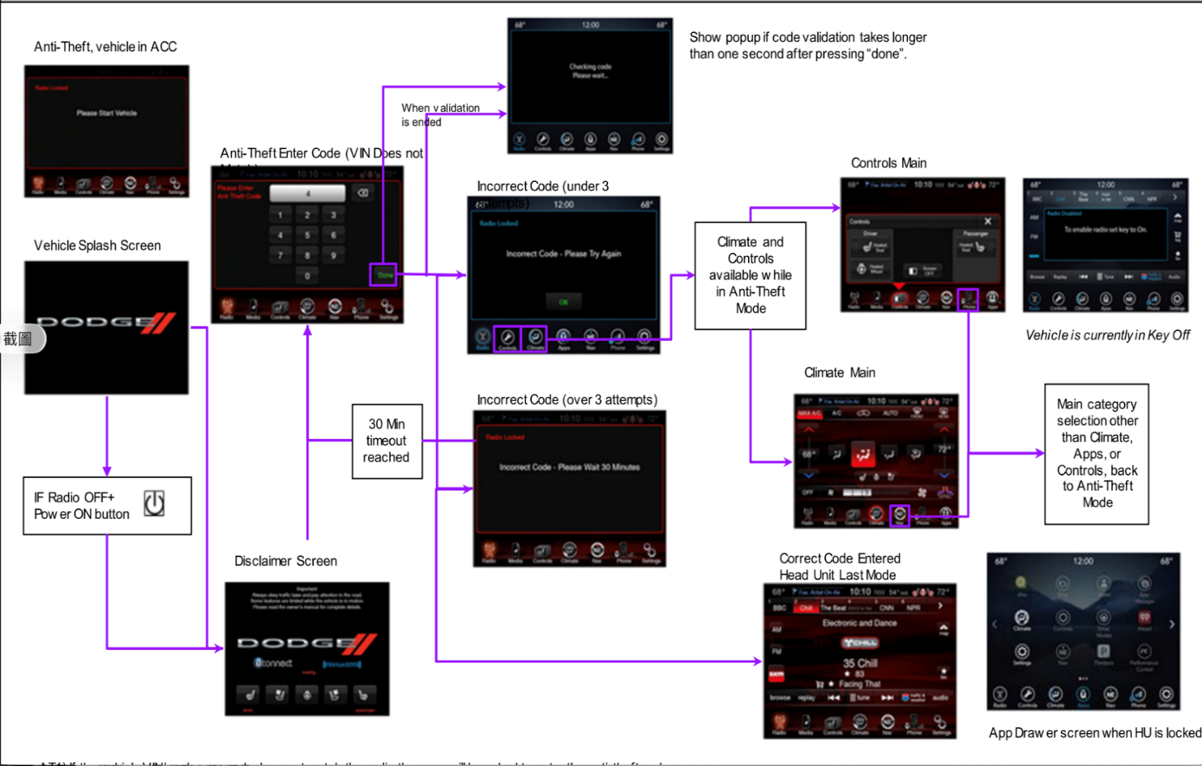

 | AT1) 如果車輛的 VIN 或交換碼與音響不符，系統會要求用戶輸入防盜碼。

 | AT2) 如果用戶輸入錯誤的防盜碼，螢幕會顯示「防盜碼錯誤，請重試」。用戶可以按下 OK 鍵返回輸入 PIN 碼的畫面。

 | AT3) 如果用戶用完所有輸入機會，螢幕會顯示「防盜碼錯誤，請等待 XX 分鐘」。此時會有倒數計時，倒數結束後才能再次輸入防盜碼。

 | AT4) 如果主機在啟動時電源鍵維持關閉狀態，將會依照動畫/開機畫面的啟動邏輯與流程，先顯示免責聲明畫面，再顯示輸入防盜碼畫面。若主機啟動時電源鍵為開啟狀態，則先顯示動畫/開機畫面，再顯示免責聲明畫面，最後進入輸入防盜碼畫面。

 | AT4.1) 如果用戶輸入正確的防盜碼，系統會帶用戶回到上一個 Head Unit 模式。

 | AT5) 防盜模式下，使用者只能進入冷氣、控制與設定相關畫面。這個過程中，主選單上的圖示會全部變灰，只有「舒適」與「車輛」分類和 App 按鈕可以點選。按下「舒適」或「車輛」分類的按鈕會進入對應的分類畫面。若在輸入錯誤防盜碼時按下 OK，則會顯示「防盜碼錯誤，請等待 XX 分鐘」的提示。
 | 進入 App Drawer 畫面時，只有「舒適」或「車輛」分類的圖示可以使用，其他圖示全部變灰。車輛分類內只會顯示「設定」與「控制」這兩個分頁。若用戶嘗試進入其他頁面，會跳出「防盜碼錯誤，請等待 XX 分鐘」的提示。

 | AT6) 如果車輛目前處於 ACC（附件）模式，螢幕會顯示「請發動車輛」；如果車輛處於 Key Off 模式，會顯示「請將車鑰匙轉為 ON 以啟用音響」。

